Sheet1


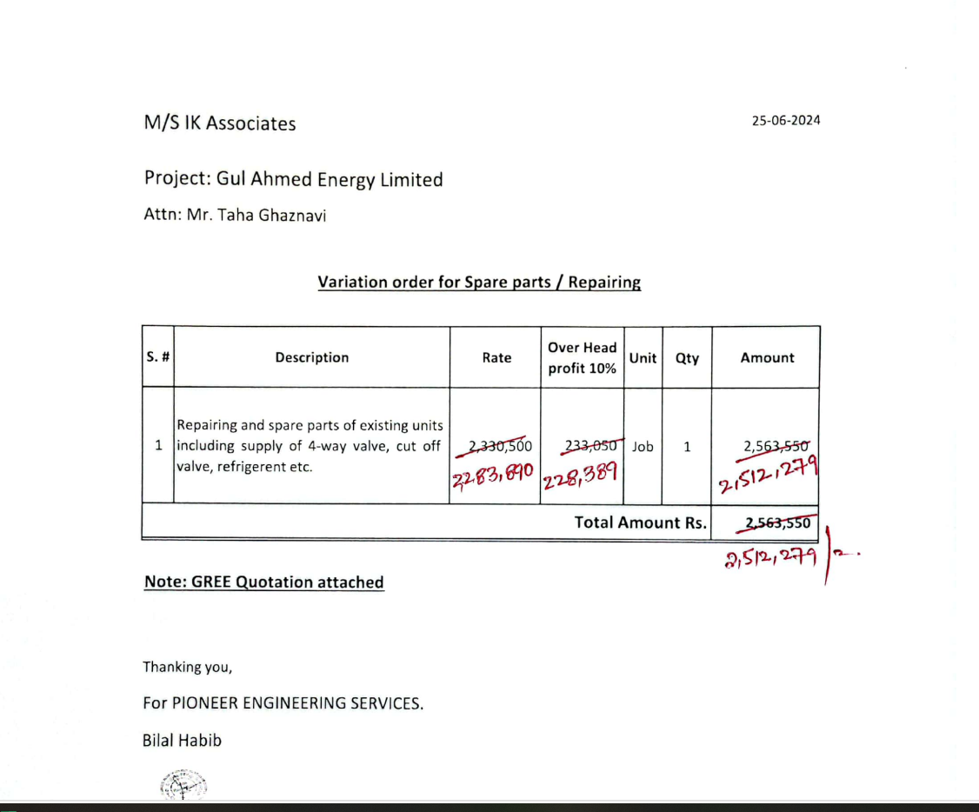

M/S IK Associates |  |  |  |  |  |  | 2024-11-27

Project: Gul Ahmed Energy Limited

Attn: Mr. Taha Ghaznavi

Bill for Spare parts / Repairing of existing VRF system.

S. # | Description | Rate | Over Head profit & 10% | Total Rates | Unit | Qty | Amount
1 | Repairing and spare parts of existing units: |  |  |  |  |  |  | Telephonoc conversation held Mr Muazz from Ik and nadeem iqbal 28% OVERhead profit will be shared half and half
i | Labour charges | 300,000 | 30,000 | 330,000 | Job | 1 | 330,000
ii | 4 way Valve | 57,820 | 5,782 | 63,602 | No | 1 | 63,602
iii | Cut of valve | 40,474 | 4,047 | 44,521 | No | 10 | 445,214
iv | Electromagnetic valve | 28,910 | 2,891 | 31,801 | No | 6 | 190,806
v | Refrigerent charged (Honey well charged as per Client and ASPL instruction) | 60,000 | 6,000 | 66,000 | No | 5 | 330,000
Total Amount Rs. |  |  |  |  |  |  | 1,359,622

Thanking you,

For PIONEER ENGINEERING SERVICES.

Bilal Habib

